사용방법
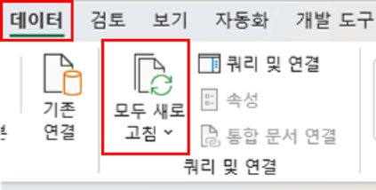
ㅁ 파일 사용전 초기 세팅

0. 쿼리옵션에서 개인정보 - 항상 개인정보 수준설정을 무시 선택
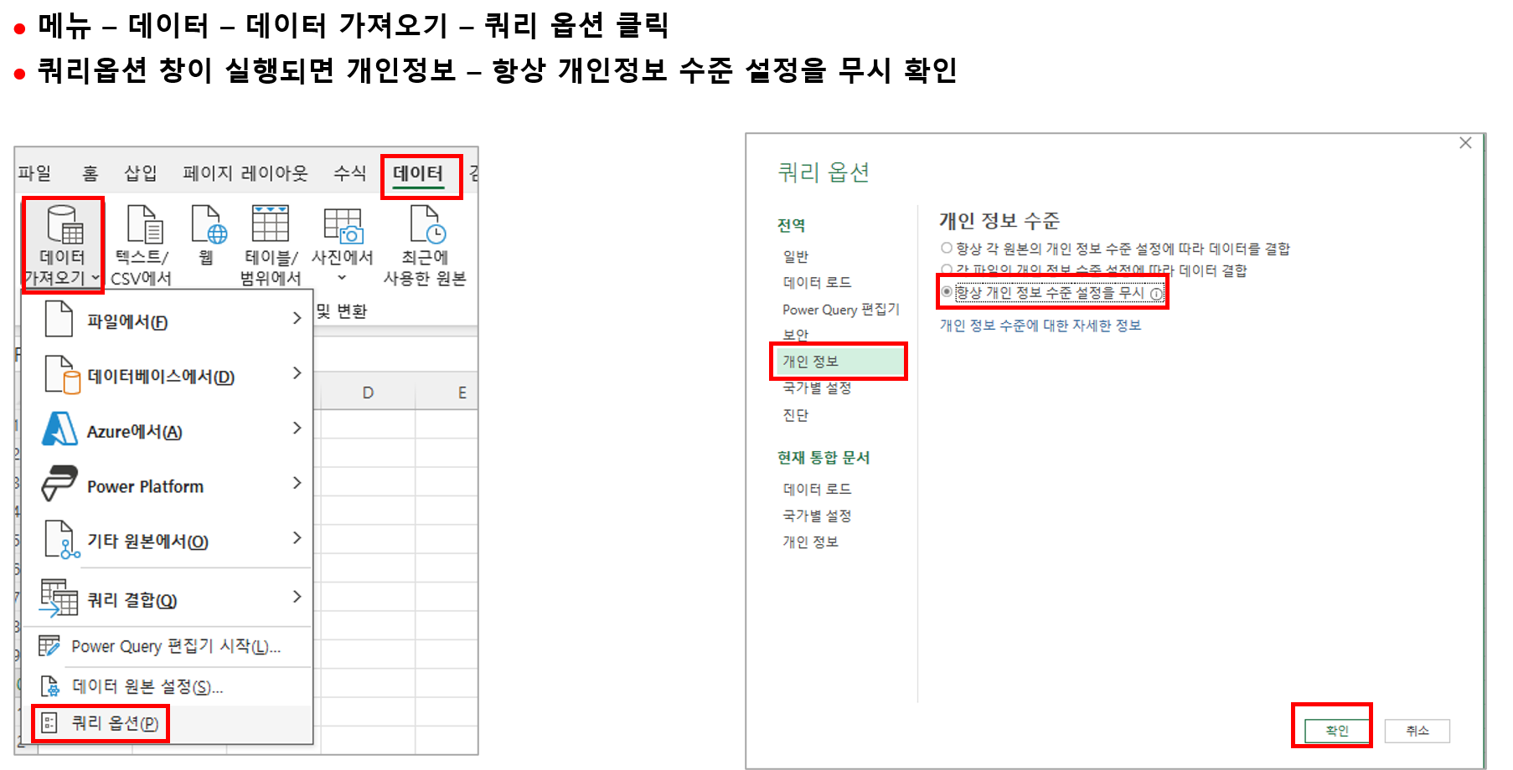

1. 보안 경고 팝업창에서 콘텐츠 사용 클릭

2. 파일에서 메뉴 – 데이터 – 데이터 모두 새로고침 또는 ctrl + alt + F5 누르면 아래와 같이 개인정보 수준 팝업되면 ‘체크’란 선택 후 ‘저장’ 선택 (안나오면 skip)

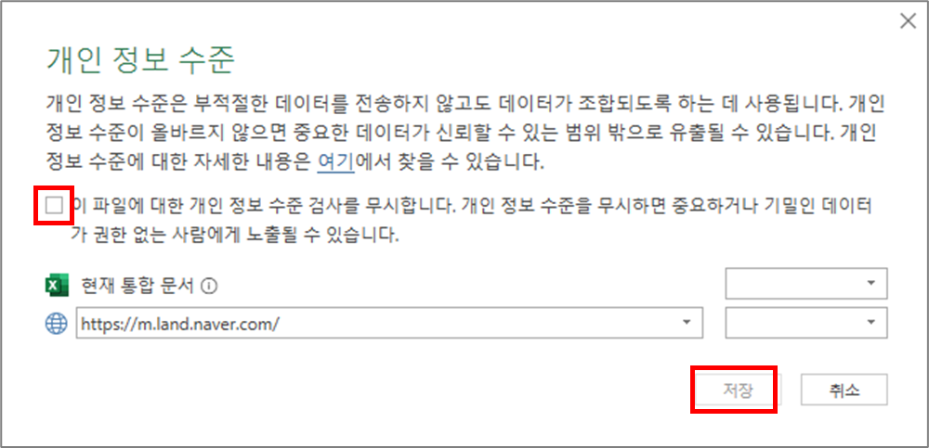

3. 그 다음 실행시부터는 메뉴 – 데이터 – 데이터 모두 새로고침 또는 ctrl + alt + F5 누르면 업데이트 가능

종합
1. 은행별 평균금리

 |  |  | 특성 | CB사 신용점수별 금리(%) 평균금리

 |  |  | 평균 : 값2 | 연월
202606 | 순위 | 추세 | 은 행 | 202501 | 202502 | 202503 | 202504 | 202505 | 202506 | 202507 | 202508 | 202509 | 202510 | 202511 | 202512 | 202601 | 202602 | 202603 | 202604 | 202605 | 202606
4.62 | 10 |  | BNK경남은행 | 4.05 | 4.04 | 4.03 | 4.01 | 3.86 | 3.91 | 4.11 | 4.11 | 3.98 | 3.91 | 3.98 | 4.27 | 4.43 | 4.43 | 4.38 | 4.46 | 4.40 | 4.62
4.43 | 5 |  | BNK부산은행 | 3.98 | 4.14 | 4.19 | 4.30 | 4.13 | 4.11 | 4.21 | 4.10 | 3.98 | 3.96 | 4.10 | 4.49 | 4.71 | 4.71 | 4.76 | 4.68 | 4.29 | 4.43
4.47 | 6 |  | IBK기업은행 | 4.04 | 4.28 | 4.13 | 4.16 | 3.99 | 3.98 | 4.00 | 3.97 | 3.94 | 3.99 | 4.08 | 4.42 | 4.58 | 4.57 | 4.55 | 4.65 | 4.55 | 4.47
4.54 | 9 |  | KB국민은행 | 4.28 | 4.25 | 4.27 | 4.16 | 3.98 | 3.83 | 3.90 | 4.02 | 4.00 | 4.02 | 4.12 | 4.40 | 4.54 | 4.53 | 4.58 | 4.51 | 4.44 | 4.54
4.18 | 2 |  | NH농협은행 | 4.43 | 4.35 | 4.35 | 4.35 | 4.01 | 3.79 | 3.85 | 3.97 | 4.07 | 4.30 | 4.47 | 4.52 | 4.57 | 4.57 | 4.60 | 4.48 | 4.26 | 4.18
4.2 | 3 |  | SC제일은행 | 4.25 | 4.32 | 4.19 | 4.17 | 4.02 | 3.88 | 3.92 | 4.02 | 4.04 | 4.16 | 4.45 | 4.95 | 5.30 | 4.66 | 4.54 | 4.42 | 4.29 | 4.20
4.17 | 1 |  | Sh수협은행 | 4.39 | 4.37 | 4.06 | 4.08 | 3.99 | 3.96 | 3.78 | 3.76 | 3.81 | 3.76 | 3.70 | 3.96 | 3.93 | 3.78 | 3.93 | 4.03 | 4.07 | 4.17
4.85 | 12 |  | 광주은행 | 3.79 | 4.01 | 3.99 | 3.90 | 3.78 | 3.86 | 3.84 | 4.03 | 4.50 | 4.68 | 4.62 | 4.87 | 4.99 | 4.79 | 4.81 | 4.70 | 4.68 | 4.85
4.68 | 11 |  | 신한은행 | 4.38 | 4.49 | 4.44 | 4.38 | 4.18 | 4.11 | 4.15 | 4.14 | 4.09 | 4.08 | 4.16 | 4.41 | 4.52 | 4.53 | 4.57 | 4.58 | 4.57 | 4.68
4.52 | 8 |  | 우리은행 | 4.55 | 4.52 | 4.36 | 4.23 | 3.95 | 3.92 | 4.07 | 4.11 | 4.11 | 4.15 | 4.21 | 4.47 | 4.63 | 4.59 | 4.61 | 4.75 | 4.74 | 4.52
5.12 | 15 |  | 전북은행 | 4.29 | 4.39 | 4.37 | 4.67 | 4.96 | 4.63 | 4.70 | 4.81 | 4.88 | 4.98 | 4.84 | 4.91 | 5.08 | 4.97 | 5.15 | 5.09 | 5.08 | 5.12
4.87 | 13 |  | 제주은행 | 4.46 | 4.54 | 4.66 | 4.65 | 4.48 | 4.60 | 4.54 | 4.55 | 4.47 | 4.36 | 4.61 | 4.72 | 4.65 | 4.79 | 4.82 | 4.94 | 5.30 | 4.87
KB국민은행 평균금리 및 신용점수
 | CB사 신용점수별 금리(%) 평균금리 | 평균 신용점수
202501 | 4.28 | 945
202502 | 4.25 | 948
202503 | 4.27 | 949
202504 | 4.16 | 944
202505 | 3.98 | 948
202506 | 3.83 | 952
202507 | 3.9 | 953
202508 | 4.02 | 948
202509 | 4 | 948
202510 | 4.02 | 951
202511 | 4.12 | 953
202512 | 4.4 | 953
202601 | 4.54 | 959
202602 | 4.53 | 957
202603 | 4.58 | 955
202604 | 4.51 | 953
202605 | 4.44 | 956
202606 | 4.54 | 956
5.04 | 14 |  | 카카오뱅크 | 4.16 | 4.11 | 4.08 | 3.98 | 3.87 | 3.80 | 3.97 | 4.02 | 3.98 | 3.79 | 3.73 | 4.02 | 4.33 | 4.55 | 4.69 | 4.85 | 5.00 | 5.04
4.5 | 7 |  | 케이뱅크 | 3.75 | 3.82 | 3.83 | 3.84 | 3.75 | 3.64 | 3.85 | 4.04 | 4.08 | 3.83 | 3.88 | 4.12 | 4.29 | 4.27 | 4.67 | 4.62 | 4.48 | 4.50
4.2 | 3 |  | 하나은행 | 4.48 | 4.57 | 4.52 | 4.40 | 4.13 | 4.06 | 4.12 | 4.08 | 4.02 | 4.06 | 4.17 | 4.47 | 4.66 | 4.69 | 4.74 | 4.71 | 4.40 | 4.20
4.56 |  |  | 총합계 | 4.22 | 4.28 | 4.23 | 4.22 | 4.07 | 4.01 | 4.07 | 4.12 | 4.13 | 4.14 | 4.21 | 4.47 | 4.61 | 4.56 | 4.63 | 4.63 | 4.57 | 4.56

 |  |  | - 전월대비 증감

 |  |  |  |  | 202502 | 202503 | 202504 | 202505 | 202506 | 202507 | 202508 | 202509 | 202510 | 202511 | 202512 | 202601 | 202602 | 202603 | 202604 | 202605 | 202606
 |  |  | BNK경남은행 |  | -0.01 | -0.01 | -0.02 | -0.15 | 0.05 | 0.20 | 0.00 | -0.13 | -0.07 | 0.07 | 0.29 | 0.16 | 0.00 | -0.05 | 0.08 | -0.06 | 0.22
 |  |  | BNK부산은행 |  | 0.16 | 0.05 | 0.11 | -0.17 | -0.02 | 0.10 | -0.11 | -0.12 | -0.02 | 0.14 | 0.39 | 0.22 | 0.00 | 0.05 | -0.08 | -0.39 | 0.14
 |  |  | IBK기업은행 |  | 0.24 | -0.15 | 0.03 | -0.17 | -0.01 | 0.02 | -0.03 | -0.03 | 0.05 | 0.09 | 0.34 | 0.16 | -0.01 | -0.02 | 0.10 | -0.10 | -0.08
 |  |  | KB국민은행 |  | -0.03 | 0.02 | -0.11 | -0.18 | -0.15 | 0.07 | 0.12 | -0.02 | 0.02 | 0.10 | 0.28 | 0.14 | -0.01 | 0.05 | -0.07 | -0.07 | 0.10
 |  |  | NH농협은행 |  | -0.08 | 0.00 | 0.00 | -0.34 | -0.22 | 0.06 | 0.12 | 0.10 | 0.23 | 0.17 | 0.05 | 0.05 | 0.00 | 0.03 | -0.12 | -0.22 | -0.08
 |  |  | SC제일은행 |  | 0.07 | -0.13 | -0.02 | -0.15 | -0.14 | 0.04 | 0.10 | 0.02 | 0.12 | 0.29 | 0.50 | 0.35 | -0.64 | -0.12 | -0.12 | -0.13 | -0.09
 |  |  | Sh수협은행 |  | -0.02 | -0.31 | 0.02 | -0.09 | -0.03 | -0.18 | -0.02 | 0.05 | -0.05 | -0.06 | 0.26 | -0.03 | -0.15 | 0.15 | 0.10 | 0.04 | 0.10
 |  |  | 광주은행 |  | 0.22 | -0.02 | -0.09 | -0.12 | 0.08 | -0.02 | 0.19 | 0.47 | 0.18 | -0.06 | 0.25 | 0.12 | -0.20 | 0.02 | -0.11 | -0.02 | 0.17
 |  |  | 신한은행 |  | 0.11 | -0.05 | -0.06 | -0.20 | -0.07 | 0.04 | -0.01 | -0.05 | -0.01 | 0.08 | 0.25 | 0.11 | 0.01 | 0.04 | 0.01 | -0.01 | 0.11
 |  |  | 우리은행 |  | -0.03 | -0.16 | -0.13 | -0.28 | -0.03 | 0.15 | 0.04 | 0.00 | 0.04 | 0.06 | 0.26 | 0.16 | -0.04 | 0.02 | 0.14 | -0.01 | -0.22
 |  |  | 전북은행 |  | 0.10 | -0.02 | 0.30 | 0.29 | -0.33 | 0.07 | 0.11 | 0.07 | 0.10 | -0.14 | 0.07 | 0.17 | -0.11 | 0.18 | -0.06 | -0.01 | 0.04
 |  |  | 제주은행 |  | 0.08 | 0.12 | -0.01 | -0.17 | 0.12 | -0.06 | 0.01 | -0.08 | -0.11 | 0.25 | 0.11 | -0.07 | 0.14 | 0.03 | 0.12 | 0.36 | -0.43
 |  |  | 카카오뱅크 |  | -0.05 | -0.03 | -0.10 | -0.11 | -0.07 | 0.17 | 0.05 | -0.04 | -0.19 | -0.06 | 0.29 | 0.31 | 0.22 | 0.14 | 0.16 | 0.15 | 0.04
 |  |  | 케이뱅크 |  | 0.07 | 0.01 | 0.01 | -0.09 | -0.11 | 0.21 | 0.19 | 0.04 | -0.25 | 0.05 | 0.24 | 0.17 | -0.02 | 0.40 | -0.05 | -0.14 | 0.02
 |  |  | 하나은행 |  | 0.09 | -0.05 | -0.12 | -0.27 | -0.07 | 0.06 | -0.04 | -0.06 | 0.04 | 0.11 | 0.30 | 0.19 | 0.03 | 0.05 | -0.03 | -0.31 | -0.20
 |  |  | 총합계 |  | 0.06 | -0.05 | -0.01 | -0.15 | -0.07 | 0.06 | 0.05 | 0.01 | 0.01 | 0.07 | 0.26 | 0.15 | -0.05 | 0.06 | 0.00 | -0.06 | -0.01

2. 은행별 평균신용점수

 | 특성 | 평균 신용점수

 | 평균 : 값2 |  |  | 연월
 | CB회사명 | 은 행2 | 은 행 | 202501 | 202502 | 202503 | 202504 | 202505 | 202506 | 202507 | 202508 | 202509 | 202510 | 202511 | 202512 | 202601 | 202602 | 202603 | 202604 | 202605 | 202606
 | KCB | 그룹1 | BNK경남은행 | 949 | 956 | 953 | 950 | 942 | 949 | 932 | 933 | 939 | 939 | 951 | 951 | 956 | 950 | 956 | 960 | 963 | 961
 |  |  | BNK부산은행 | 948 | 941 | 944 | 927 | 925 | 912 | 920 | 924 | 939 | 947 | 937 | 933 | 937 | 928 | 929 | 932 | 956 | 961
 |  |  | KB국민은행 | 945 | 948 | 949 | 944 | 948 | 952 | 953 | 948 | 948 | 951 | 953 | 953 | 959 | 957 | 955 | 953 | 956 | 956
 |  |  | NH농협은행 | 946 | 945 | 942 | 931 | 938 | 949 | 954 | 956 | 954 | 946 | 937 | 945 | 954 | 956 | 958 | 953 | 958 | 960
 |  |  | SC제일은행 | 947 | 933 | 944 | 939 | 936 | 949 | 953 | 953 | 962 | 958 | 942 | 911 | 914 | 921 | 938 | 945 | 944 | 941
 |  |  | Sh수협은행 | 928 | 930 | 933 | 921 | 937 | 943 | 953 | 926 | 948 | 953 | 965 | 963 | 964 | 960 | 974 | 937 | 958 | 945
 |  |  | 광주은행 | 969 | 950 | 946 | 936 | 937 | 944 | 953 | 952 | 932 | 921 | 910 | 914 | 902 | 931 | 912 | 916 | 906 | 945
 |  |  | 신한은행 | 952 | 933 | 934 | 929 | 929 | 933 | 937 | 945 | 954 | 958 | 953 | 956 | 961 | 954 | 956 | 950 | 949 | 944
 |  |  | 우리은행 | 944 | 935 | 935 | 937 | 942 | 944 | 944 | 943 | 943 | 947 | 949 | 950 | 952 | 950 | 954 | 945 | 932 | 939
 |  |  | 전북은행 | 946 | 912 | 914 | 902 | 826 | 867 | 865 | 896 | 909 | 856 | 898 | 929 | 857 | 903 | 923 | 897 | 930 | 930
 |  |  | 카카오뱅크 | 963 | 967 | 967 | 966 | 964 | 966 | 965 | 965 | 966 | 970 | 970 | 968 | 974 | 973 | 970 | 970 | 967 | 961
 |  |  | 케이뱅크 | 978 | 968 | 970 | 970 | 972 | 972 | 975 | 970 | 964 | 972 | 970 | 965 | 954 | 952 | 959 | 961 | 972 | 970
 |  |  | 하나은행 | 946 | 937 | 937 | 935 | 932 | 935 | 940 | 947 | 951 | 952 | 951 | 949 | 953 | 945 | 947 | 938 | 940 | 944
 |  | 그룹1 요약 |  | 951 | 943 | 944 | 937 | 933 | 940 | 942 | 943 | 947 | 944 | 945 | 945 | 941 | 945 | 949 | 943 | 949 | 951
 | NICE | 그룹2 | IBK기업은행 | 939 | 922 | 936 | 930 | 934 | 934 | 927 | 939 | 945 | 944 | 943 | 939 | 930 | 939 | 939 | 932 | 930 | 929
 |  |  | 제주은행 | 921 | 901 | 924 | 907 | 899 | 886 | 905 | 899 | 915 | 885 | 902 | 904 | 914 | 925 | 912 | 914 | 894 | 881
 |  | 그룹2 요약 |  | 930 | 912 | 930 | 919 | 917 | 910 | 916 | 919 | 930 | 915 | 923 | 922 | 922 | 932 | 926 | 923 | 912 | 905
 | 총합계 |  |  | 948 | 939 | 942 | 935 | 931 | 936 | 938 | 940 | 945 | 940 | 942 | 942 | 939 | 943 | 945 | 940 | 944 | 944

